Sheet1
 |  | Document No. | Issue No. |  | Issue Date |  |  | Review and Replace Date |  |  |  | Authorised By
 |  | GFF381MC | 1 |  | 27.03.2023 |  |  | New Issue
 |  | Document Title | CHICKEN TIKKA MASALA WITH BROWN RICE 400G
 |  | New tray, new recipes |  |  |  |  | Page |  | 1 of 1 |  |  | Magda Shah
Document amendments reason for change |  |  |  |  |  |  | Previous Issue Date |  | New Issue |  |  | Uncontrolled copy unless signed original

FCTIR4-R8TMC | MINDFUL CHEF |  | CHICKEN TIKKA MASALA WITH BROWN RICE 400G | FROZEN
STEP 1 |  |  |  |  |  |  | STEP 2
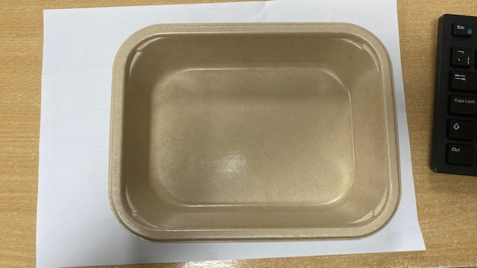 |  |  |  |  |  | 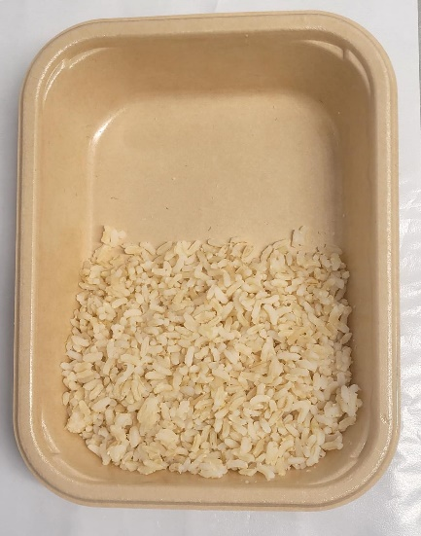 |  |  |  |  | 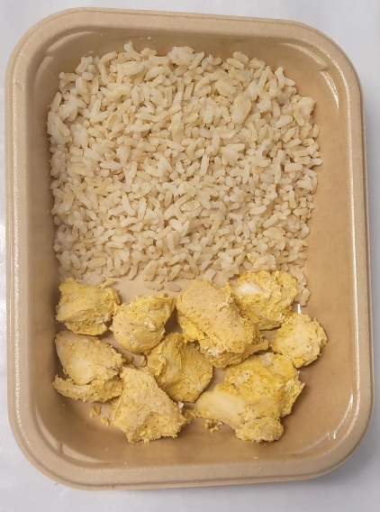

PACK DAY + 1 YEAR
NON-MAP Pack

Tray: Flat Tray-PET Fresh Fibre Food Tray (200 x 155 x 39)-PKHUH001-01 |  |  |  |  |  | Brown Rice NEW (MC) (GFF434R): 100g |  |  |  |  | Marinated Chicken Tikka (MC) (GFF379R): 70g
Film: K peel 7G+25A/f-275mm-(PKKMP001-03)
STEP 3 |  |  |  | STEP 4 |  |  |  |  |  | STEP 5
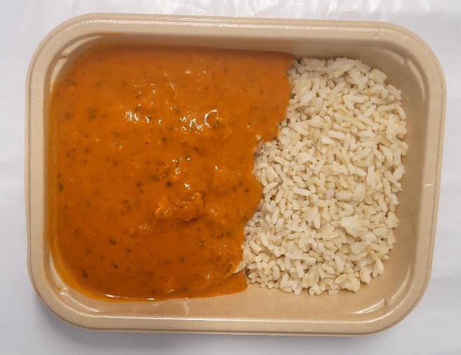 |  |  |  | 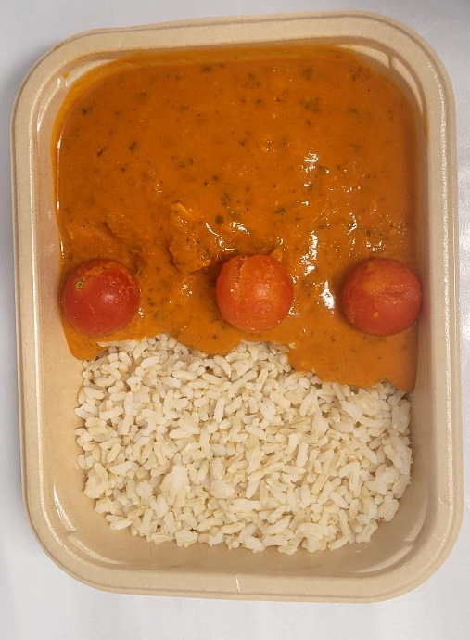 |  |  |  |  |  | 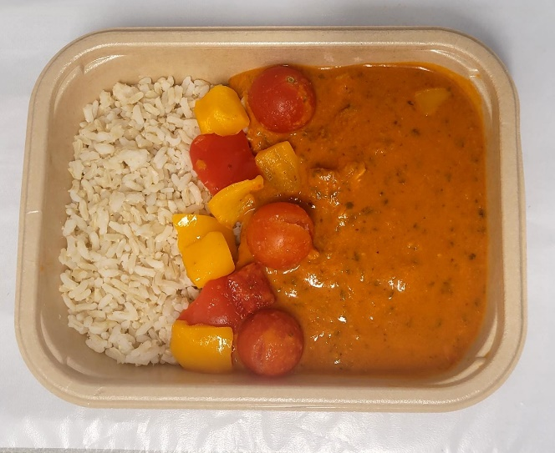

Tikka Masala Sauce (MC) (GFF437R): 180g |  |  |  | Cherry Tomato Whole (RMFOO001-12): 30g |  |  |  |  |  | Roasted Mixed Peppers (MC) (GFF436R): 20g |  |  | TOTAL WEIGHT: 400g

ALLERGY ALERT: None

